Nifty B3
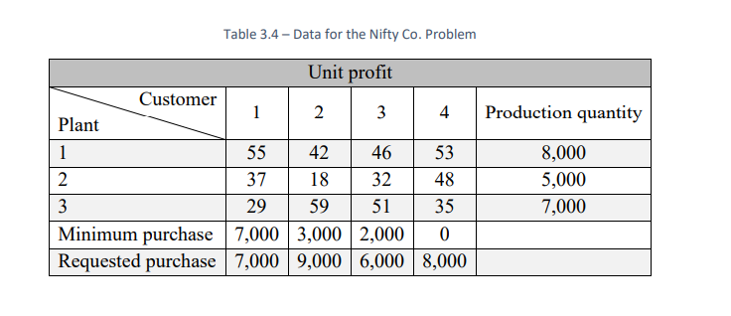
Better Products Co.

 | Unit Profit |  | Customer
 |  |  | 1 | 2 | 3 | 4
 | Plant | 1 | $55 | $42 | $46 | $53
 |  | 2 | $37 | $18 | $32 | $48
 |  | 3 | $29 | $59 | $51 | $35

 |  |  | 1 | 2 | 3 | 4 | Total Shipped |  | Capacity
 |  | 1 | 7000 | 0 | 1000 | 0 | 8000 | = | 8000
 |  | 2 | 0 | 0 | 0 | 5000 | 5000 | = | 5000
 |  | 3 | 0 | 6000 | 1000 | 0 | 7000 | = | 7000

 |  | Total Received | 7000 | 6000 | 2000 | 5000
 |  |  | = | >= | >= | >=
 |  | Minimum | 7000 | 3000 | 2000 | 0
 |  |  | = | <= | <= | <= |  |  | Total Profit
 |  | Requested | 7000 | 9000 | 6000 | 8000 |  |  | $1,076,000

 |  |  |  |  |  |  |  | =

